Sheet2
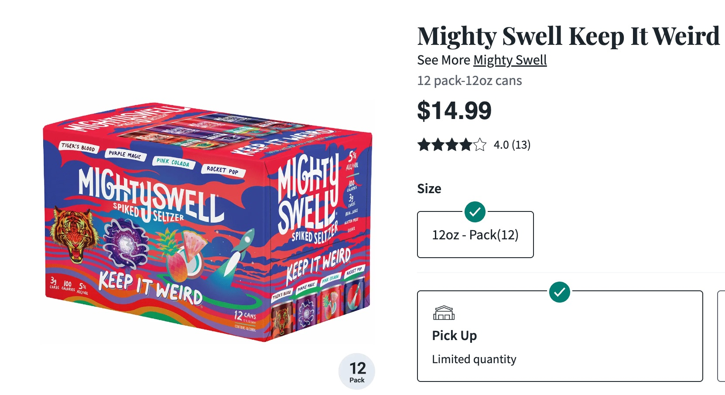
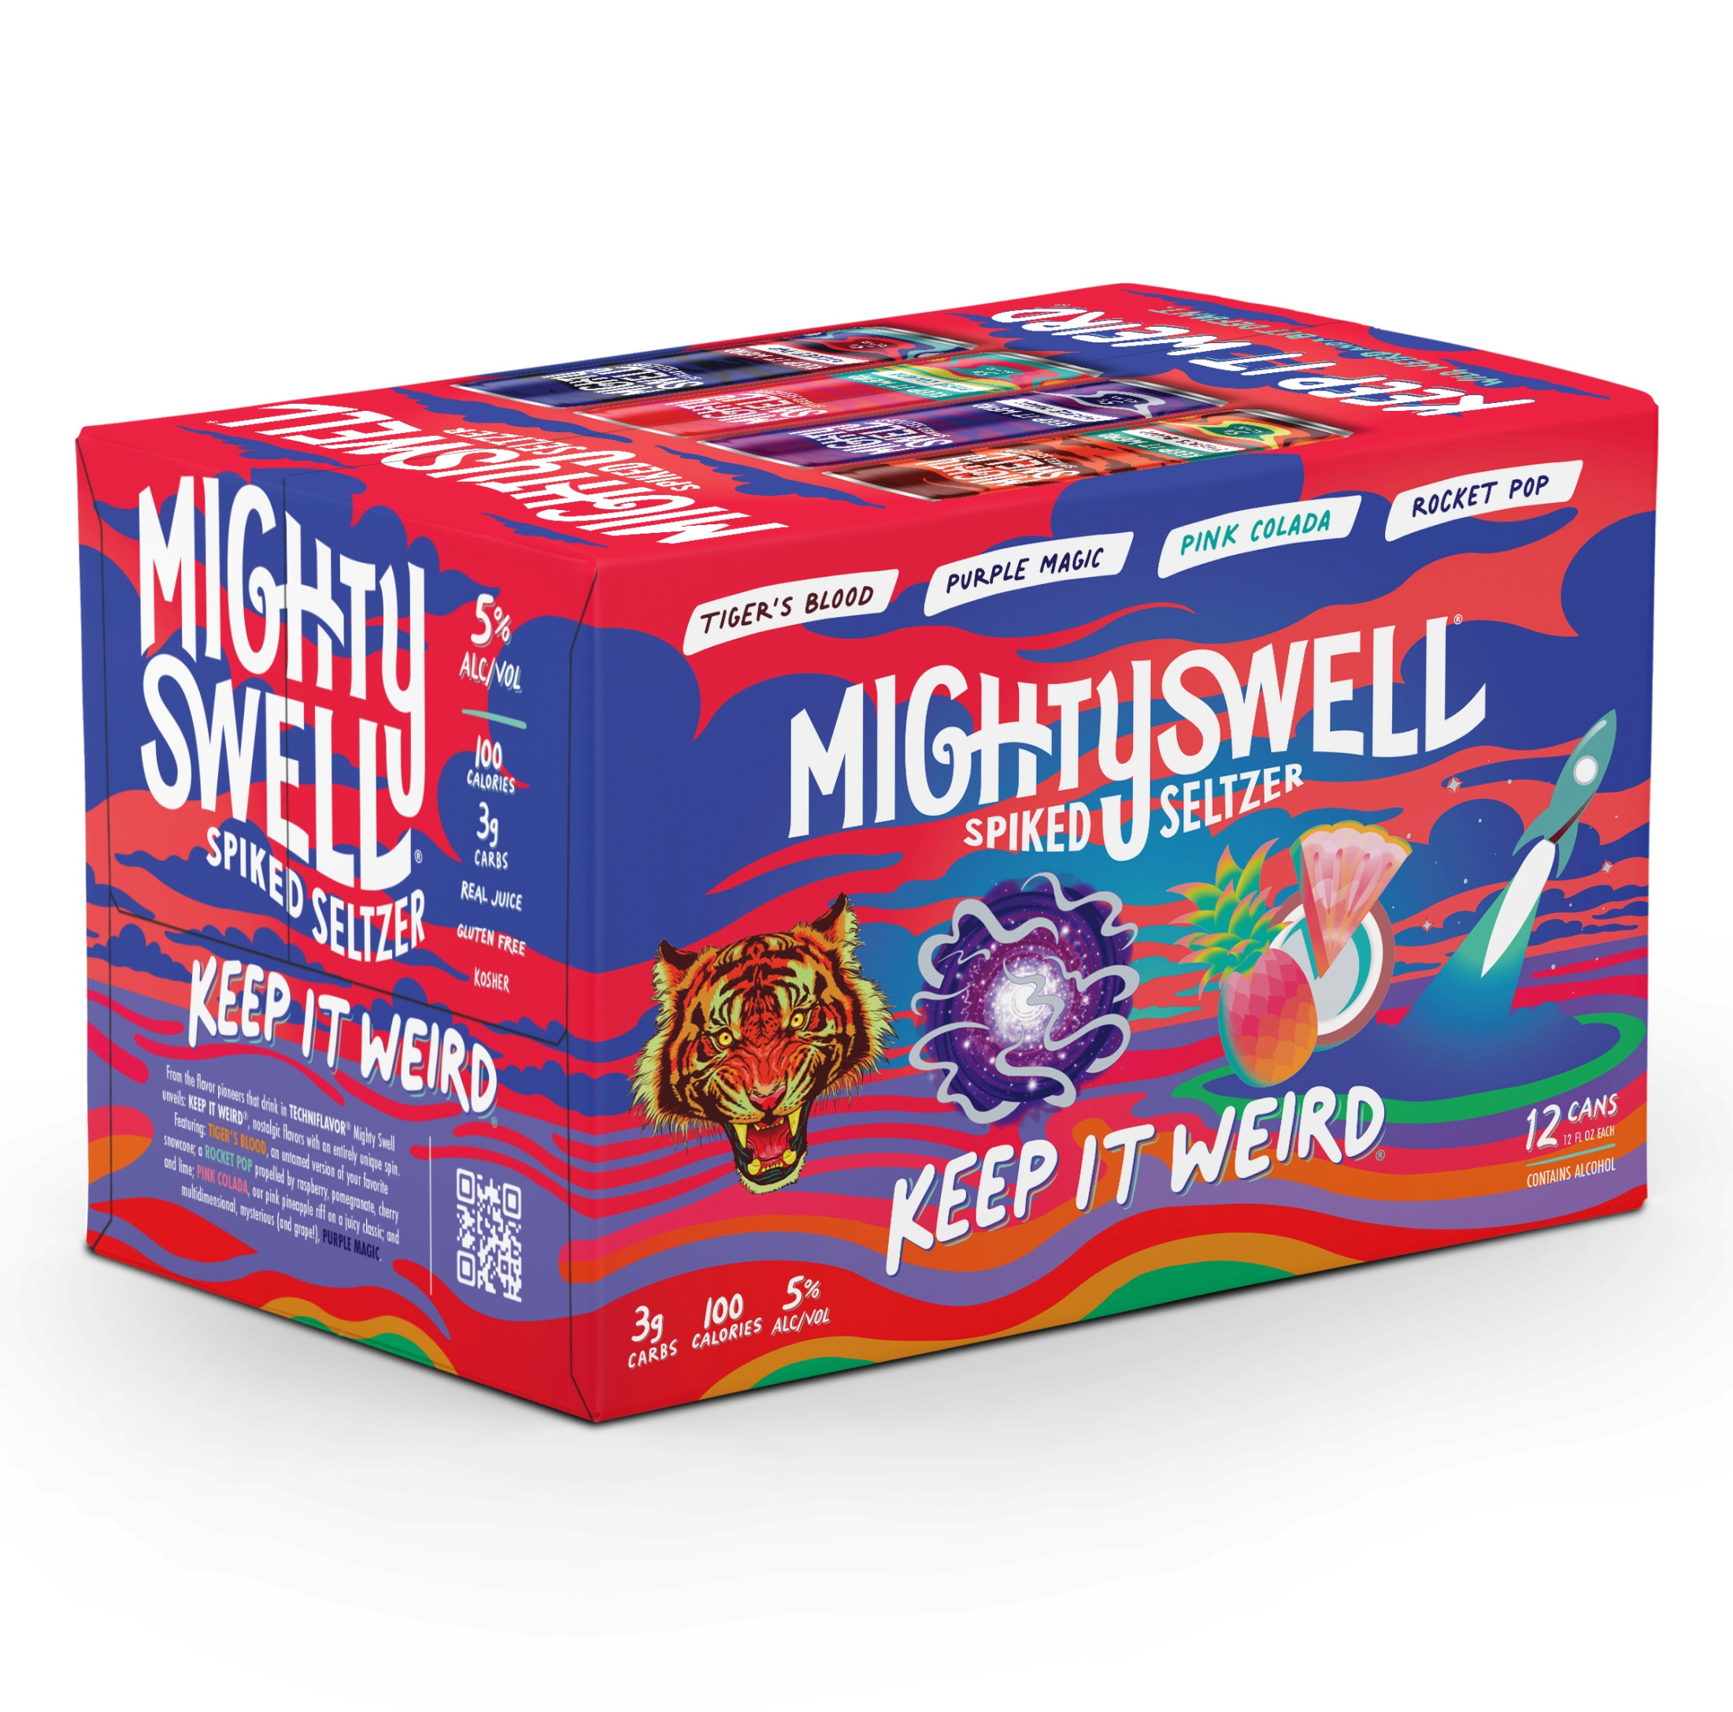
PRODUCT | Dating | Pack | Size (oz) | Qty (cs) | Cs p/plt | Pallets | Total Unit | $ p/can | $ p/Case | Ext Cost | UPC
Mighty Swell Spiked Seltzer Variety Pack (2/12ct) | 2026-10-31 | 24 | 12 | 13,520 | 104 | 130.0 | 324480 | $0.33 | $9.99 | $135,064.80 | 854599007083

FOB Charlotte, NC
20 pallets per FTL

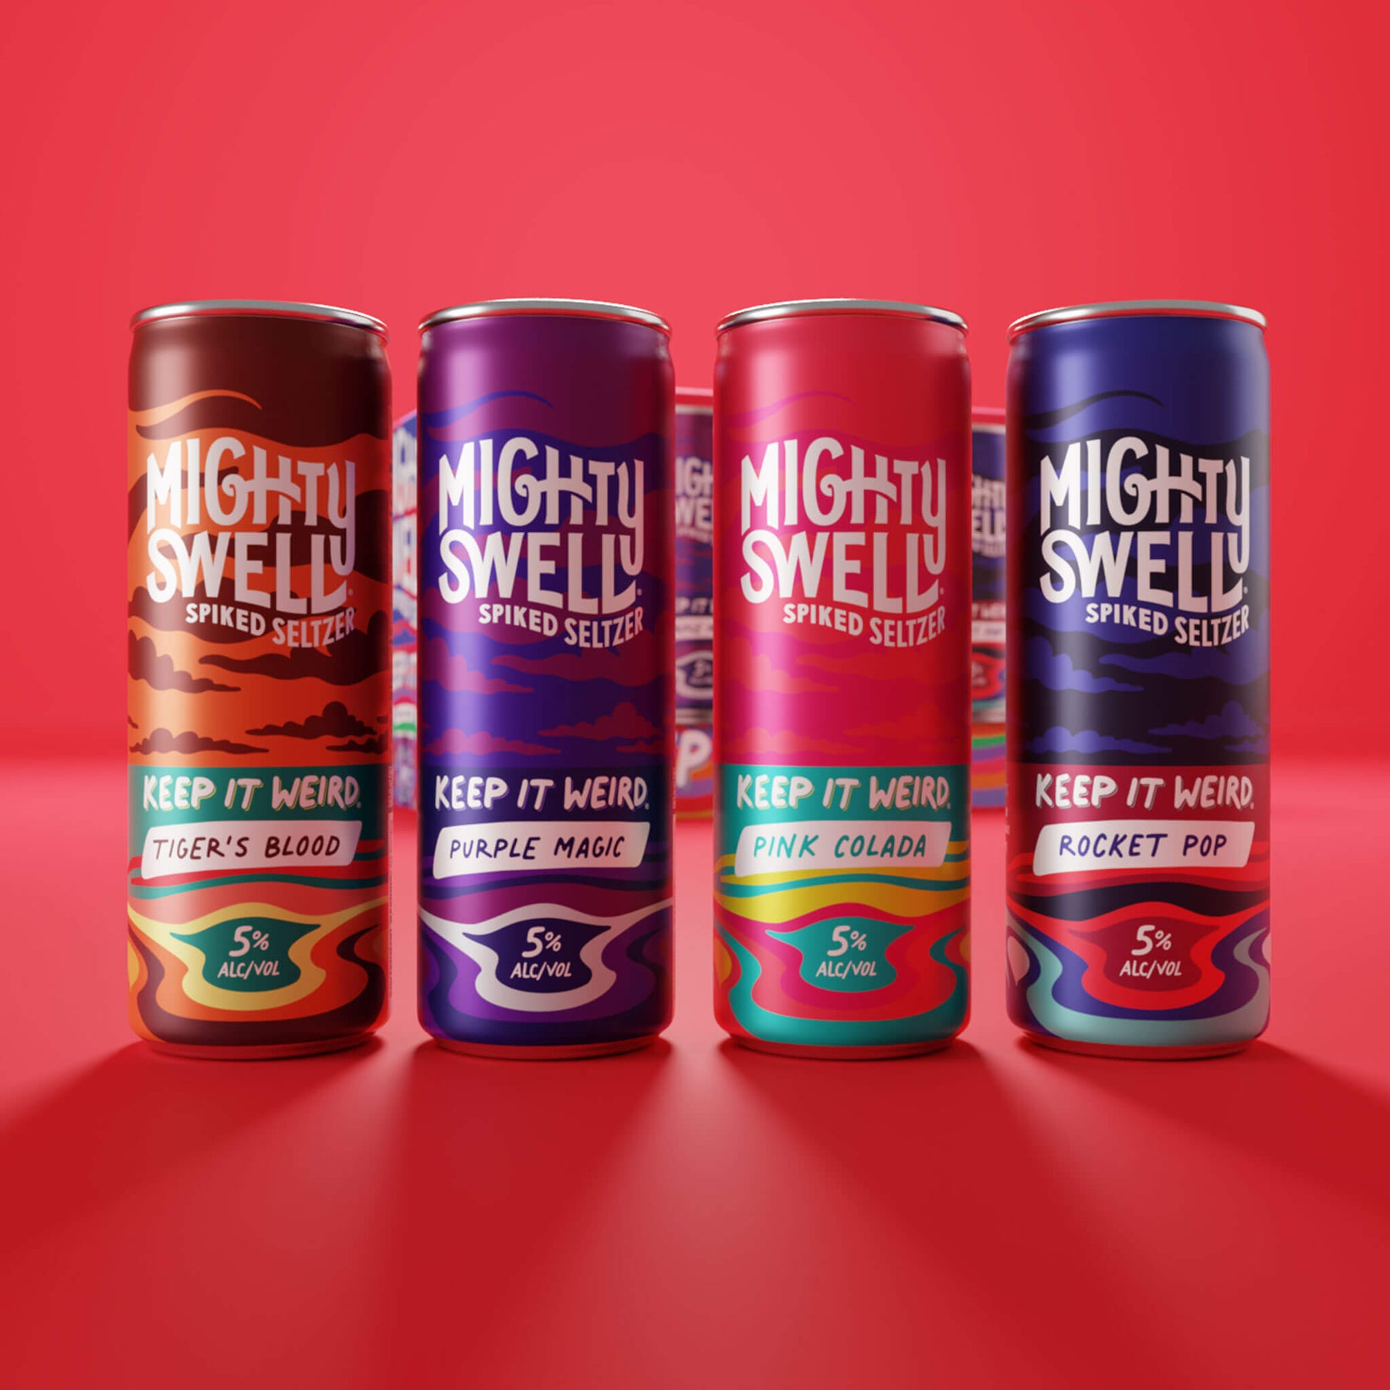
 |  |  |  |  |  |  |  |  |  |  |  | https://www.totalwine.com/beer/seltzers-flavored-beverages/hard-seltzer/mighty-swell-keep-it-weird/p/343034122?s=903&igrules=true

